GECKO
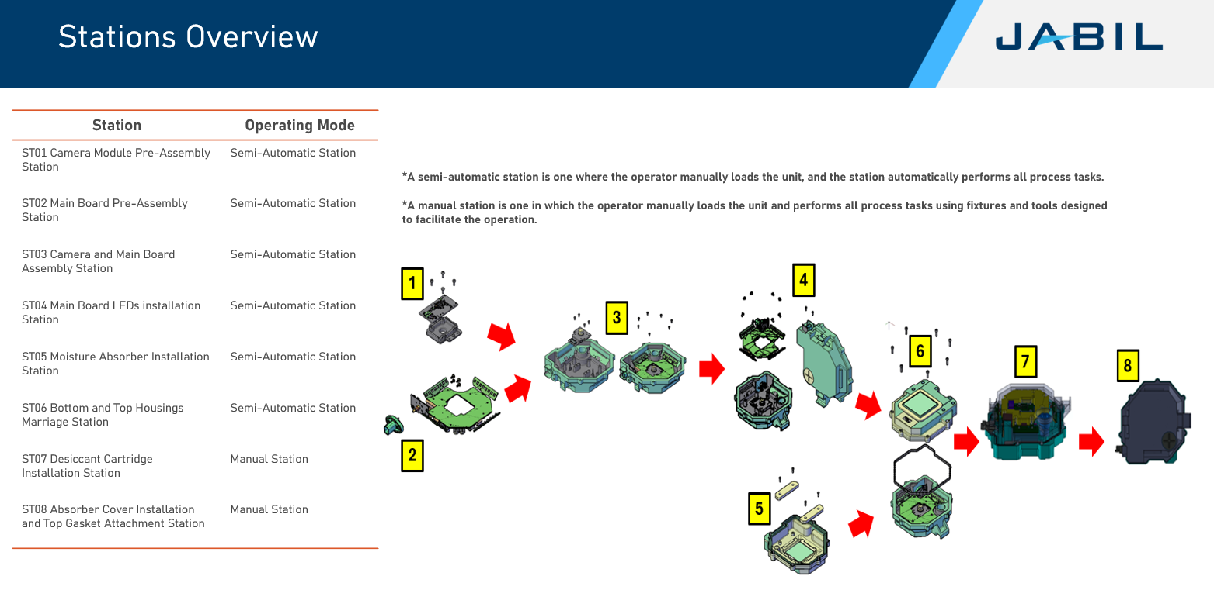
GECKO |  |  |  |  |  |  |  |  |  |  |  |  |  |  |  |  |  |  |  |  |  |  |  |  |  |  |  |  |  |  |  |  |  |  |  |  |  |  |  | BE
Lens Adapter (Gecko) |  |  | AA Build |  |  | Curing |  | AA Retest |  | Ampseal Socket Attach |  |  | Bot Assy |  |  | LEDs Assy |  |  | Front Window attach |  |  | Moisture Absorber |  |  | FINAL ASSY |  |  | Desiccant Cartridge |  |  | LEAK TEST |  | EOL |  | Top Gasket Attachment |  |  | FNI |  | PACKOUT |  |  | OBA
IN | OUT | Qty | IN | OUT | Qty | IN | OUT | IN | OUT | IN | OUT | Qty | IN | OUT | Qty | IN | OUT | Qty | IN | OUT | Qty | IN | OUT | Qty | IN | OUT | Qty | IN | OUT | Qty | IN | OUT | IN | OUT | IN | OUT | Qty | IN | OUT | IN | OUT | Qty | IN | OUT
JOHPBA1089100 | JOHPBA1089100 |  | JOHPBA1089100 | 000000-9520-864 |  | 000000-9520-864 | 000000-9520-864 | 000000-9520-864 | 000000-9520-864 | JOHPBA1089108 | 000000-9520-967 | 1 | 000000-9520-864 000000-9520-967 | 000000-9521-684 |  | 000000-9521-684 | 000000-9521-684 |  | - | 000000-9521-679 | 1 | 000000-9521-679 | 000000-9521-679 | 1 | 000000-9521-679 FRONT 000000-9521-684 BACK | PFA13569 | 1 | PFA13569 | PFA13569 | 1 | PFA13569 | PFA13569 | PFA13569 | PFA13569 | PFA13569 | PFA13569 | 1 | PFA13569 | PFA13569 | PFA13569 | PFA13569 | 1 | PFA13569 | PFA13569
9520-856 | Lens holder | 1 | 9520-881 | Sunex DSL335C-NIR-F4_0 - w. AA. Barrel | 1 |  |  |  |  | 9520-976 | TE as 16-p sealed header | 1 | 9521-383 | Sensor FPCA Foam | 1 | 9590-148 | Bossard 6514881 Torx ultra slim head M2.5x6 zinc black | 8 | 9521-515 | top housing incl inserts | 1 | 9521-518 | Moisture Absorber | 2 | 9521-517 | Sealing | 1 | 9520-861 | Desiccant Cartridge | 1 |  |  |  |  | 9520-866 | Top Gasket | 1 |  |  | JOHFOA1914 | FOAM POLIETILENO DENSIDAD 1.2 BLANCO 19" | 0.25 |  |  | 4 Camaras por caja
9590-142 | Socket Pan Head Screw M2.5x8 TX6 ISO 145 | 4 |  |  |  |  |  |  |  | 9520-547 | O Ring, 3,68x1,78 (70 Shore A) | 1 | 9521-516-D | Bottom Housing | 1 | 9590-142 | Socket Pan Head Screw M2.5x8 TX8 ISO 14583/zinc Nylok | 2 | 9520-883 | Cover Glass | 1 | 9521-304 | Chart Grey Scale | 1 | 9590-138 | Bossard 6503869 M4x14 zinc silver / Nylon | 7 |  |  |  |  |  |  |  | 9520-860 | Absorber Cover | 1 |  |  | JOHFOA1911 | FOAM POLIETILENO DENSIDAD 1.2 TAPA 19â€ | 0.25
JOHPBA1089100 | Sensor | 1 |  |  |  |  |  |  |  | 9590-120 | Self Tapping Screw Ejot EVO PT 25x6/5 WN | 4 | 9590-148 | Bossard 6514881 Torx ultra slim head M2.5x6 zinc black | 12 |  |  |  |  |  |  | 9521-305 | Chart Color Scale | 1 | 9521-693 | LABEL 25.4x12.7mm | 1 |  |  |  |  |  |  |  | 9522-414 | Compliance | 1 |  |  | JOHBOX3219 | CAJA RSC 32 ECT FLAUTA C KRAFT 19+1/8 x | 0.25
 |  |  |  |  |  |  |  |  |  | JOHPBA1089108 | Serializer | 1 |  |  |  |  |  |  |  |  |  | 9590-140 | Bossard 6503868 M3x10 zinc silver / Nylon | 4 |  |  |  |  |  |  |  |  |  |  | 9521-683 | Protection foil | 1 |  |  | JOHBAG1215 | BOLSA DE POLIETILENO CALIBRE 2 MIL ANTI | 1

